Updated Premium Calc
Gross Net Premium | Commission Type | Max Cap Commission | Total Commissions | Gross Premium | Categories | Members | Premium
#VALUE! | 0 | 0.00% | #VALUE! | #VALUE! | Category A | 0 | 0.00
#VALUE! | 0 | 0.00% | #VALUE! | #VALUE! | Category B | 0 | 0.00000 | CRN No | TEST-ABC-1224-1-00022
#VALUE! | 0 | 0.00% | #VALUE! | #VALUE! | Category C | 0 | 0.00000
#VALUE! | 0 | 0.00% | #VALUE! | #VALUE! | Bashma | 0 | 0
#VALUE! | 0 | 0.00% | #VALUE! | #VALUE! | ICP | 0 | 0
#VALUE! | 0 | 0.00% | #VALUE! | #VALUE! | VAT | 5% | 0.0
#VALUE! | 0 | 0.00% | #VALUE! | #VALUE! | Total |  | 0.00
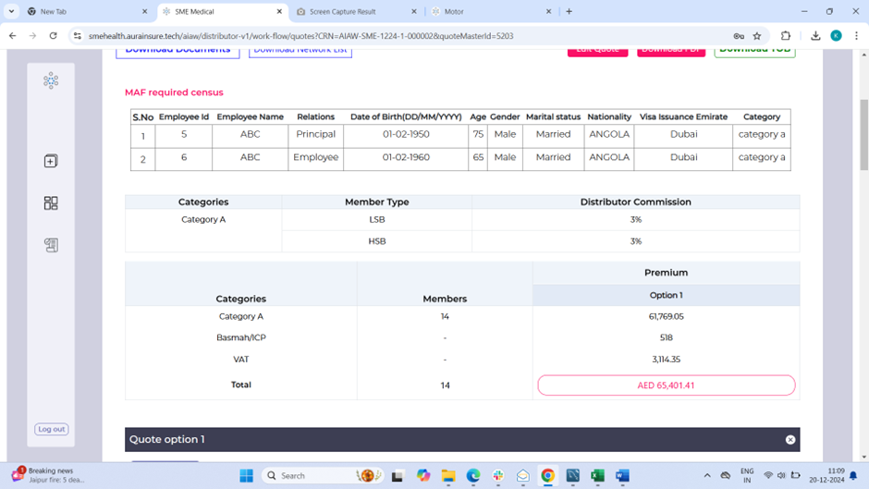
#VALUE! | 0 | 0.00% | #VALUE! | #VALUE!
#VALUE! | 0 | 0.00% | #VALUE! | #VALUE!
#VALUE! | 0 | 0.00% | #VALUE! | #VALUE!
#VALUE! | 0 | 0.00% | #VALUE! | #VALUE!
#VALUE! | 0 | 0.00% | #VALUE! | #VALUE!
#VALUE! | 0 | 0.00% | #VALUE! | #VALUE!
#VALUE! | 0 | 0.00% | #VALUE! | #VALUE!
#VALUE! | 0 | 0.00% | #VALUE! | #VALUE!
#VALUE! | 0 | 0.00% | #VALUE! | #VALUE!
#VALUE! | 0 | 0.00% | #VALUE! | #VALUE!
#VALUE! | 0 | 0.00% | #VALUE! | #VALUE!
#VALUE! | 0 | 0.00% | #VALUE! | #VALUE!
#VALUE! | 0 | 0.00% | #VALUE! | #VALUE!
#VALUE! | 0 | 0.00% | #VALUE! | #VALUE!
#VALUE! | 0 | 0.00% | #VALUE! | #VALUE!
#VALUE! | 0 | 0.00% | #VALUE! | #VALUE!
#VALUE! | 0 | 0.00% | #VALUE! | #VALUE!
#VALUE! | 0 | 0.00% | #VALUE! | #VALUE!
#VALUE! | 0 | 0.00% | #VALUE! | #VALUE!
#VALUE! | 0 | 0.00% | #VALUE! | #VALUE!
#VALUE! | 0 | 0.00% | #VALUE! | #VALUE!
#VALUE! | 0 | 0.00% | #VALUE! | #VALUE!
#VALUE! | 0 | 0.00% | #VALUE! | #VALUE!
#VALUE! | 0 | 0.00% | #VALUE! | #VALUE!
#VALUE! | 0 | 0.00% | #VALUE! | #VALUE!
#VALUE! | 0 | 0.00% | #VALUE! | #VALUE!
#VALUE! | 0 | 0.00% | #VALUE! | #VALUE!
#VALUE! | 0 | 0.00% | #VALUE! | #VALUE!
#VALUE! | 0 | 0.00% | #VALUE! | #VALUE!
#VALUE! | 0 | 0.00% | #VALUE! | #VALUE!
#VALUE! | 0 | 0.00% | #VALUE! | #VALUE!
#VALUE! | 0 | 0.00% | #VALUE! | #VALUE!
#VALUE! | 0 | 0.00% | #VALUE! | #VALUE!
#VALUE! | 0 | 0.00% | #VALUE! | #VALUE!
...

